1. Title Page
Instacart Grocery Basket Analysis

Project Name: Instacart Grocery Basket Analysis
Date: 3/16/2023
Analyst Name: Jacob Yount

Contents:
Population Flow
Consistency checks
Wrangling steps
Column derivations
Visualizations
Recommendations

2. Population Flow
Title page

Population flow

Exclusion flag
Condition: max_order < 5
Obervations to be removed: PII information. Surname, and First Name
Final total count of order_products_all: 30959687

Orders_products_combined
Orders_products_merged
Orders_products_all

Total:32404849
Total: 32434489
Total:32404859

1.) The grey boxes in the first row of the population flow represent the original data sets as they were when you downloaded them. In the Total fields you need to add the count of the rows when you imported the data set into Jupyter.
2.) The second row of boxes (coloured) represents the data sets after you manipulated them, e.g., removed missing values and duplicates. In the Total fields you need to add the count of the rows after conducting these operations. This offers a visual oveview of how the data flows throughout the data consistency checks.
3.) The third row, where also the arrows are coloured, represents the merges you performed between the datasets. In the Total fields you need to add the count of the rows in the merged datasets, so that you end up with the final dataset (in the red box). Keep in mind the final dataset should be without exclusions (based on the exclusion flag).

3. Consistency checks
 |  |  |  | Title page
Consistency checks

Dataset | Missing values | Missing values treatment | Duplicates
orders | 20,620 missing values in days_since_prior_order | Created a flag to represent the missing values as new customers who hadn't placed an order yet. | NA
products | 16 missing values in product_name | filtered out missing values using sibset | 5 duplicates were deleted
customers | 11, 259 missing values in first_name | Left as is. They were exclude as PII later on | NA

4. Wrangling steps
 |  |  |  |  | Title page
Wrangling steps

Columns dropped | Columns Dropped | Columns renamed | Columns' type changed | Comment/Reason
Orders | eval_set |  | order_id has been changed to 'str' | To keep consistant when mergeing.
Departments |  |  | NA | Transposed into datamap for a data dictionary
Products |  |  | NA
Customers | First_name, Surname |  | NA | PII data.
 |  | STATE' has been changed to: 'state' |  | Consistancy with other titles cor columns
 |  | First Name' has been changed to:: 'first_name'
 |  | Surnam' has been changed to: 'last_name'
 |  | Age' has been changed to: 'age'
 |  | n_dependants' has been changed to: 'num_of_dependents'
 |  | Gender' has been changed to: 'gender'
 |  | 'fam_status' has been renamed to : 'family_status'

5. Column derivations
 |  |  |  | Title page

Column derivations and aggregations

In this tab you should add tables below that the frequences of flags/label variables that you produced after deriving them. NB: don't do this for continuous variables, only for flags.
Dataset | New column | Column/s it was derived from | Conditions
ords_prods_merged.pkl | price_range_loc | prices | <= 5 : 'Low-range product' (> 5) & ( <= 15) : 'Mid-range product' > 15: 'High range' else: 'Not enough data'

 | Busiest_Day | orders_day_of_week | =0: 'Busiest day' =4: 'Least busy' else: 'Regularly busy'
 | busiest_days | orders_day_of_week | =0 | = 1 : 'two busiest days' =4 | =3 : 'two slowest days' else: 'Regularly days busy days'
 | busiest_period_of_day | order_time_of_day | <= 6 : 'Fewest orders' >=9 & <=17 : 'Most Orders' else: 'Average Orders'
ords_prods_merged_agr_var.pkl | loyalty_flag | max_order | > 40 : 'Loyal customer' <= 40 & >10 : 'Regular customer' <=10 : 'New customer'
 | spending_flag | avg_price (mean of price per user) | <10 : 'Low spender' >=10 : 'High spender'
 | order_frequency_flag | order_behavior | (median of 'days_since_prior_order' per user) | > 20 : 'Non-frequent customer' >10 & <=20: 'Regular customer' <=10 : 'Frequent customer'
High_activity_customers.pkl | region | state | Northeast' : ['Maine', 'New Hampshire', 'Vermont', 'Massachusetts', 'Rhode Island', 'Connecticut', 'New York', 'Pennsylvania', 'New Jersey 'Midwest' : ['Wisconsin', 'Michigan', 'Illinois', 'Indiana', 'Ohio', 'North Dakota', 'South Dakota', 'Nebraska', 'Kansas', 'Minnesota', 'Iowa', 'Missouri'] 'South' : ['Delaware', 'Maryland', 'District of Columbia', 'Virginia', 'West Virginia', 'North Carolina', 'South Carolina', 'Georgia', 'Florida', 'Kentucky', 'Tennessee', 'Mississippi', 'Alabama', 'Oklahoma', 'Texas', 'Arkansas', 'Louisiana'] 'West' : ['Idaho', 'Montana', 'Wyoming', 'Nevada', 'Utah', 'Colorado', 'Arizona', 'New Mexico', 'Alaska', 'Washington', 'Oregon', 'California', 'Hawaii']
 | activity_flag | max_order | <5 : 'Low activity' >=5 : 'High activity'
 | age_category | age | (>= 18) & (< 40) : 'Young adult' (>= 40) & ( < 65) :'Middle age adult' >= 65 : 'Senior adult'
 | family_size | num_of_dependents | 0 : 'Small' 1 |2 : 'Mid size' >2 : 'Large'
 | household | fam_status & num_of_dependents | ['fam_status'] == 'married') & (df['num_dependants'] <= 3), 'household'] = 'married w/ dependants' ['fam_status'] == 'divorced/widowed') & (df['num_dependants'] == 0) | (df['fam_status'] == 'single') & (df['num_dependants'] == 0), 'household'] = 'single adult' (df['fam_status'] == 'living with parents and siblings') & (df['num_dependants'] <= 3), 'household'] = 'extended fam w/ dependants'
 | income_flag |  | ['income'] >= 25000) & (df['income'] <100000), 'income_flag'] = 'low income'
 |  | income | ['income'] >= 100000) & (df['income'] <175000), 'income_flag'] = 'medium income'
 |  |  | ['income'] >= 175000, 'income_flag'] = 'high income'

 | customers_with_babies | department/ fam_status | !='babies' : 'No' ='babies' : 'Yes'

 | order_time_habit | order_time_of_day | ['order_hour_of_day'] < 12) & (df['order_hour_of_day'] >= 6), 'order_time_habbits'] = 'morning'
 |  |  | ['order_hour_of_day'] >= 12) &['order_hour_of_day'] < 18), 'order_time_habbits'] = 'afternoon'
 |  |  | [(df['order_hour_of_day'] >= 18) & (df['order_hour_of_day'] <= 23), 'order_time_habbits'] = 'night'
 |  |  | [(df['order_hour_of_day'] <= 5), 'order_time_habbits'] = 'late night'

6. Visualizations
 |  |  |  |  | Title page

Visualisations

In this tab you should include all the visualtions from Exercises 4.9 and 4.10, alongside the questions from the project brief that they answer. Include any commentary on the relationship between different variables.

Buisiest hours are from 9 am - 5 pm
Buisiest days of the week fall on the weekend. Saturday, Sunday, and Friday
 | The sales team needs to know what the busiest days of the week and hours of the day are (i.e., the days and times with the most orders) in order to schedule ads at times when there are fewer orders.
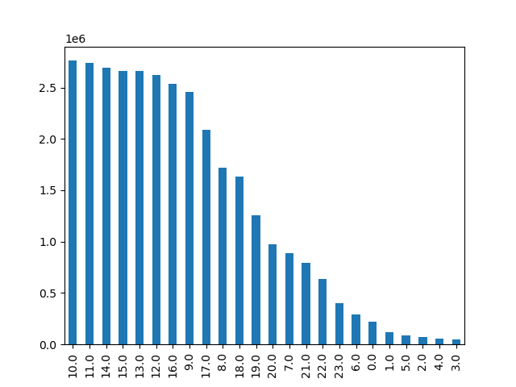 |  | 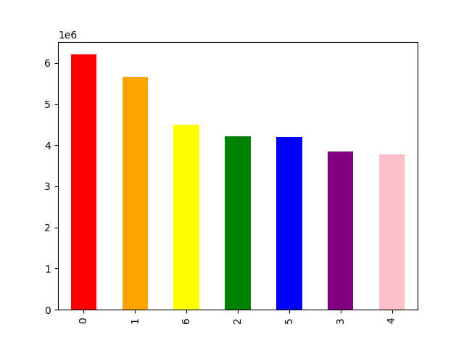 |  |  |  | 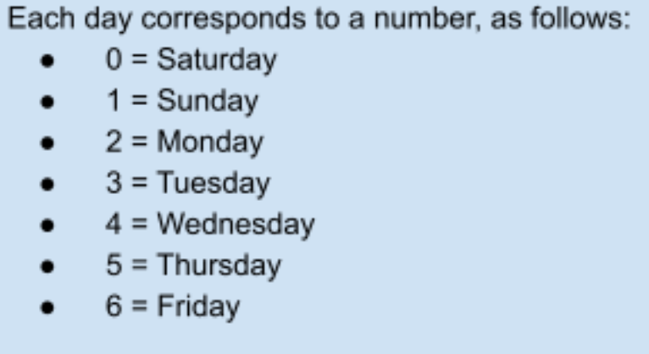
 | ● They also want to know whether there are particular times of the day when people spend the most money, as this might inform the type of products they advertise at these times.
The early morning shows the price varries around $0.20 and steadies to around $7.80 from 12:00pm on.
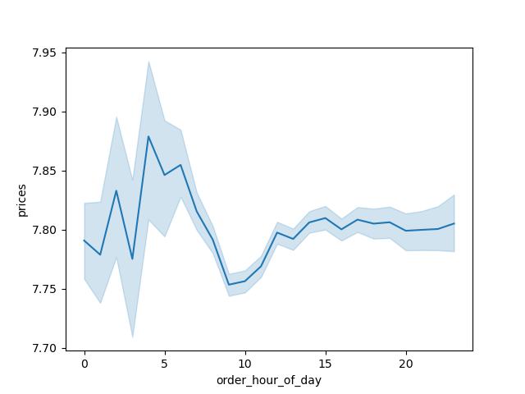
 | ● Instacart has a lot of products with different price tags. Marketing and sales want to use simpler price range groupings to help direct their efforts.

There is a clear cut off on prices that is around $15.
 | 
 | ● Are there certain types of products that are more popular than others? The marketing and sales teams want to know which departments have the highest frequency of product orders.

Produce, Eggs/dairy, and Snacks are your top 3 selling departments.
 | 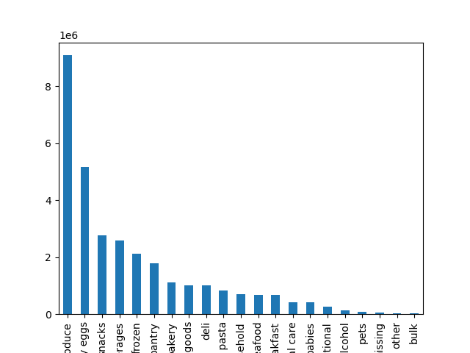 |  |  |  | 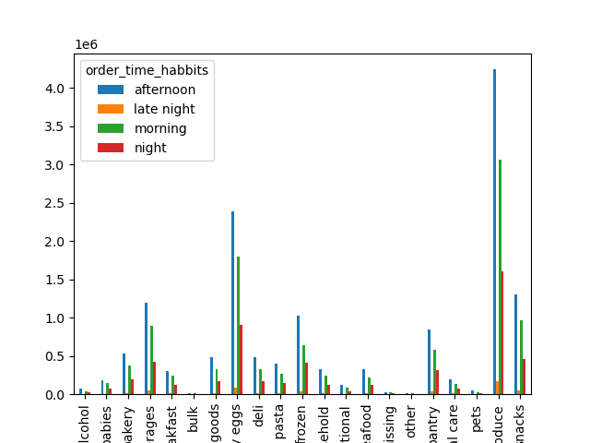
 | ● The marketing and sales teams are particularly interested in the different types of customers in their system and how their ordering behaviors differ. For example:
 | 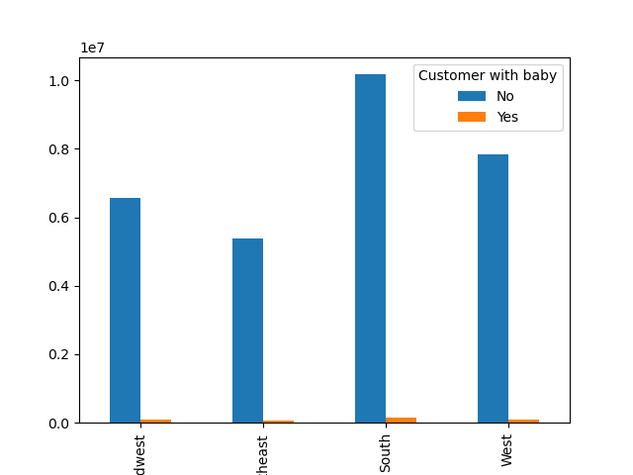 | 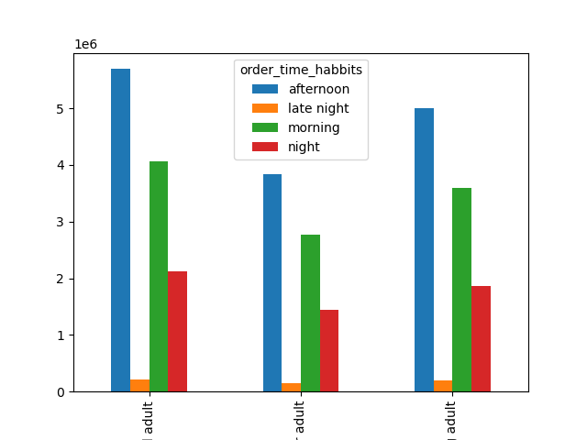 |  |  |  | 

Regular Customers have the most orders.
Regular customers are ordering your top three products the most.
Loyal customers make smaller daily purchases but regular customers make weekly bigger purchases.
 | ● What’s the distribution among users in regards to their brand loyalty (i.e., how often do they return to Instacart)? ● Are there differences in ordering habits based on a customer’s loyalty status?
 |  |  | 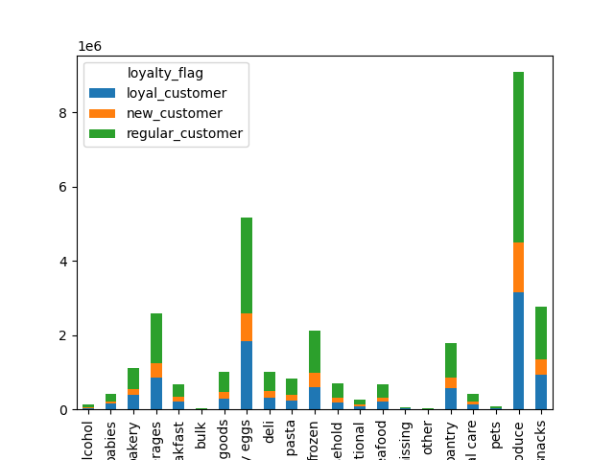 |  |  |  |  | 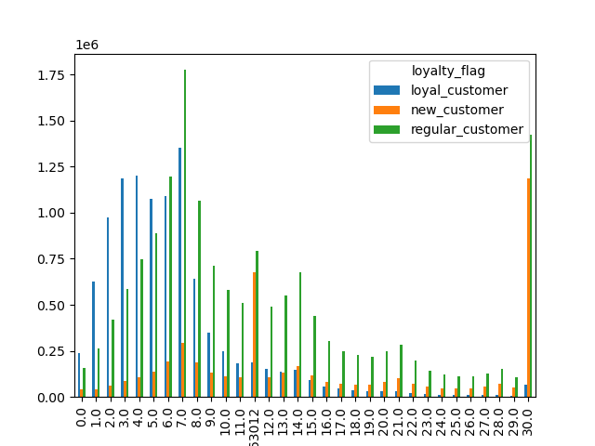
 | ● Are there differences in ordering habits based on a customer’s region?
No major order differences by region. The southern region has more orders.
 | 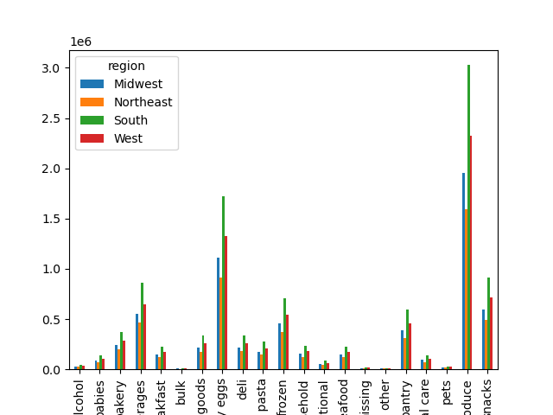 |  |  | 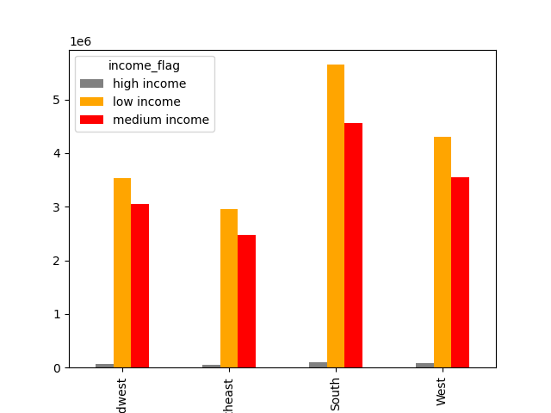 |  |  |  | 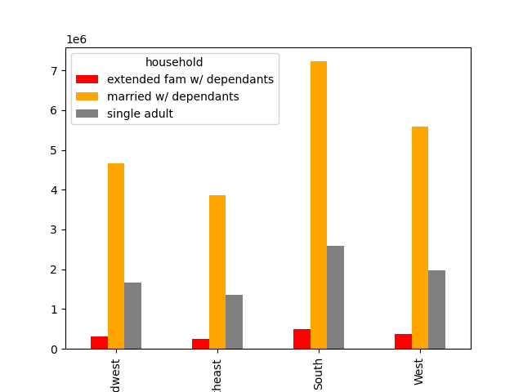
 | ● Is there a connection between age and family status in terms of ordering habits?

Demographocs show that most of your customers are married with dependants. A majority of your customer base fall into the low income flag which is under 75,000. Spending power for people over 40 is higher, which you could draw the conclusion that most of the customers are under 40.
 | ● What different classifications does the demographic information suggest? Age? Income? Certain types of goods? Family status?
 |  |  |  |  |  |  | 
 | ● What differences can you find in ordering habits of different customer profiles? Consider the price of orders, the frequency of orders, the products customers are ordering, and anything else you can think of.

7. Recommendations
 |  | Title page

Recommendations

In this tab you should include any recommendations you would made to Instcart in terms of their marketing strategy based on the questions posed in the brief. Every key question has been covered in the Tasks of the Exercises - here you need to add an item - a visualisation or table/crosstable that is showing the answer in the data, acompanied by a comment from you. Please, list the questions below and add the answer underneath.

Key Questions | Answers
Question 1 | Saturday, Sunday, and Friday are the busiest days. And busiest hours are from 9 am - 5pm. It drops off significatnly after that. These would be a great time to schedule ads.
Question 2 | We see a peak in price around 4 am which is a low frequency order time. It evens out around 12 pm. Though the people are spending a relativley normal amount here it is more frequent.
Question 3 | The majority of sales are under $15. I would recommend advertising these items as the a re the most frequently purchased items.
Question 4 | Produce, dairy/milk, and snacks are your highest sellign departments. The lowest selling departments are bulk, pets, and alcohol. Alcohol sales could be low due to restrictions in the sale of alcohol. You could offer promotions to pet owners or discounts if customers buy in bulk.
Question 5 | Regular customers are your most frequent customer type. These customers order your top products the most frequently and also make orders weekly. Your loyal cstomer base is the second biggest group. This group also has similar buying intrest as your regular customer base, but the are more likley to order more frequently. Creating some sort of loyalty program could encourage your regualar customers to order more frequently.
Question 6 | We can introduce senior days with special discount like Thursdays and Tuesdays which are not busy days to encourage senior customers placing more orders on slow days. Students also can be another target market to set special promotions and programs like student discount on Mondays.
Question 7 | Your South region is your largest demographic. In each region your largest dempgraphic is low income, married with dependants. This says a lot about your current client base. They have lower spending power, buying items less than $15. Your customer base tends to order more items in the afternoon as well. Though most of your customers have dependants, very few are buying baby products. You could look to offer promotions on these items to increase these sales.

